Title
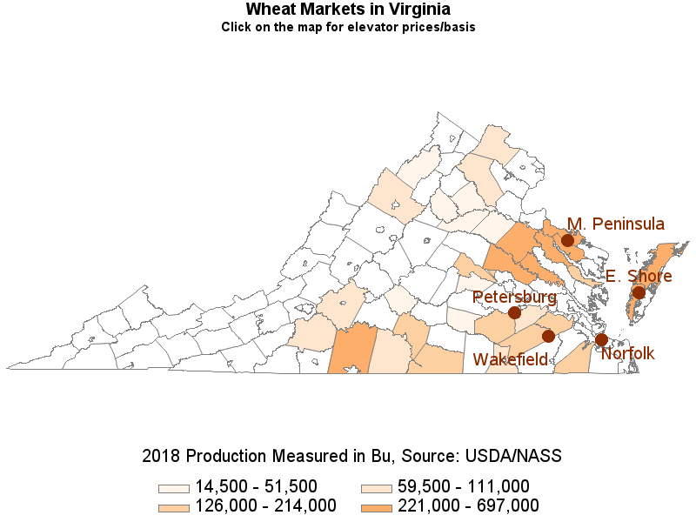
5-yr avg cash price ($/bu)
Eastern Shore | 4.61
Harrisonburg | 4.77
Norfolk Market | 5.23
Petersburg | 5.20
Wakefield | 4.77

Source: VDACS, Market News

Eastern Shore
Eastern Shore, VA Wheat Basis Calculations Between Nearby Futures and Cash Prices 2015 - 2019 ($/bu)

Year | Jan | Feb | Mar | Apr | May | Jun | Jul | Aug | Sep | Oct | Nov | Dec
Nearby Wheat Futures a
2015 | 5.44 | 5.17 | 5.09 | 5.02 | 4.90 | 5.19 | 5.47 | 4.99 | 4.86 | 5.07 | 4.95 | 4.74
2016 | 4.73 | 4.60 | 4.64 | 4.71 | 4.65 | 4.75 | 4.19 | 4.07 | 3.91 | 4.09 | 4.03 | 3.97
2017 | 4.36 | 4.37 | 4.27 | 4.20 | 4.30 | 4.54 | 5.04 | 4.29 | 4.37 | 4.35 | 4.22 | 4.11
2018 | 4.32 | 4.56 | 4.75 | 4.75 | 5.17 | 5.01 | 5.07 | 5.38 | 5.04 | 5.11 | 5.05 | 5.17
2019 | 5.17 |  | 4.53 | 4.51 | 4.58 | 5.25 | 5.06 | 4.75 | 4.79 | 5.08 | 5.16 | 5.49
Eastern Shore, VA Cash b
2015 | 4.66 | 4.53 | 4.30 | 4.34 | 4.28 | 4.34 | 4.61 | 4.21 | 4.08 | 4.42 | 4.45 | 4.30
2016 | 4.21 | 4.20 | 4.17 | 4.25 | 4.20 | 4.23 | 3.92 | 3.78 | 3.45 | 3.66 | 3.62 | 3.58
2017 | 4.01 | 4.16 | 4.20 | 4.03 | 4.05 | 4.22 | 4.59 | 3.80 | 3.99 | 3.93 | 3.76 | 3.78
2018 | 4.15 | 4.34 | 4.57 | 4.56 | 4.75 | 4.59 | 4.67 | 5.00 | 4.66 | 4.68 | 4.51 | 4.74
2019 | 4.80 | 4.51 | 4.16 |  |  | 4.85 | 4.59 | 4.33 | 4.28
Eastern Shore, VA Basis
2015 | -0.78 | -0.64 | -0.79 | -0.68 | -0.62 | -0.85 | -0.86 | -0.78 | -0.78 | -0.65 | -0.50 | -0.44
2016 | -0.52 | -0.41 | -0.47 | -0.46 | -0.45 | -0.52 | -0.27 | -0.29 | -0.46 | -0.43 | -0.42 | -0.40
2017 | -0.35 | -0.21 | -0.07 | -0.17 | -0.25 | -0.32 | -0.45 | -0.49 | -0.38 | -0.42 | -0.46 | -0.33
2018 | -0.17 | -0.22 | -0.18 | -0.19 | -0.42 | -0.42 | -0.41 | -0.38 | -0.38 | -0.43 | -0.54 | -0.43
2019 | -0.37 |  | -0.37 |  |  | -0.40 | -0.48 | -0.42 | -0.51
2015-2019 Avg. | -0.44 | -0.37 | -0.38 | -0.37 | -0.43 | -0.50 | -0.49 | -0.47 | -0.50 | -0.48 | -0.48 | -0.40
Back to the Title Page
a Nearby futures represent the contract closest to expiration with one full month of price data
b Cash prices are from the Virginia Department of Agriculture and Consumer Services

Eastern Shore #2 Soft Red Winter Wheat Average Basis At Elevator
 | 2019 |  | 2018 |  | 2017 |  | Five Year Avg
JAN | -0.37 | JAN | -0.17 | JAN | -0.35 | Jan | -0.44
FEB |  | FEB | -0.22 | FEB | -0.21 | Feb | -0.37
MAR | -0.37 | MAR | -0.18 | MAR | -0.07 | Mar | -0.38
APR |  | APR | -0.19 | APR | -0.17 | Apr | -0.37
MAY |  | MAY | -0.42 | MAY | -0.25 | May | -0.43
JUN | -0.40 | JUN | -0.42 | JUN | -0.32 | Jun | -0.50
JUL | -0.48 | JUL | -0.41 | JUL | -0.45 | Jul | -0.49
AUG | -0.42 | AUG | -0.38 | AUG | -0.49 | Aug | -0.47
SEP | -0.51 | SEP | -0.38 | SEP | -0.38 | Sep | -0.50
OCT |  | OCT | -0.43 | OCT | -0.42 | Oct | -0.48
NOV |  | NOV | -0.54 | NOV | -0.46 | Nov | -0.48
DEC |  | DEC | -0.43 | DEC | -0.33 | Dec | -0.40

